Sheet1
Details of Streams

Stream Name | Inlet T | Outlet T | Enthalpy (kj/hr) | Enthalpy (kw) | MCpi | Type of Stream
S7_To_S8 | 95.3507012 | 195 | 4512816.8237 | 1253.560229 | 12.57971952 | Cold
BOTTOM_To_S14 | 14 | 300 | 22108789.065 | 6141.330296 | 21.47318285 | Cold
To Reboiler@B13_TO_S15 | 179.89715721 | 180.39715721 | 35946394.228 | 9985.109508 | 19970.21902 | Cold
To Reboiler@B7_TO_S6 | 120.01577712 | 127.856863 | 10834099.178 | 3009.471994 | 383.8080642 | Cold
To Condenser@B7_TO_S7Duplicate | 97.027161272 | 95.3507012 | 11755861.432 | 3265.517064 | 1947.864502 | Hot
To Condenser@B13_TO_S16 | 167.90783522 | 4.81652804 | 49268822.089 | 13685.78391 | 83.91485819 | Hot
To Condenser@B6_TO_S9 | 42.774820051 | 32.1055694 | 41113826.451 | 11420.50735 | 1070.413258 | Hot
To Reboiler@B6_TO_S5 | 137.80741635 | 139.898031 | 3301500.0653 | 917.0833515 | 438.6668531 | Cold
B11_heat | 223 | 14 | 20881616.894 | 5800.449137 | 27.75334515 | Hot
B10_heat | -22.0688384 | 223 | 24075142.429 | 6687.539564 | 27.28841254 | Cold
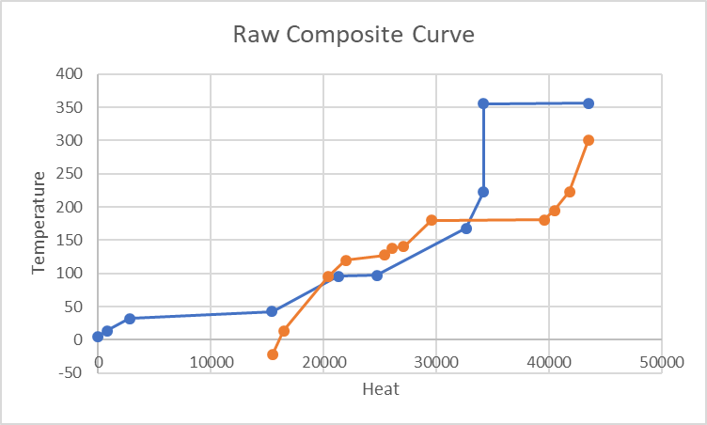
B5_heat | 356 | 355.5 | 33466151.2 | 9296.153111 | 18592.30622 | Hot

Hot Streams
Stream Name | Inlet T | Outlet T | Enthalpy (kj/hr) | Enthalpy (kw) | MCpi | Label
To Condenser@B7_TO_S7Duplicate | 97.027161272 | 95.3507012 | 11755861.432 | 3265.517064 | 1947.864502 | H1
To Condenser@B13_TO_S16 | 167.90783522 | 4.81652804 | 49268822.089 | 13685.78391 | 83.91485819 | H2
To Condenser@B6_TO_S9 | 42.774820051 | 32.1055694 | 41113826.451 | 11420.50735 | 1070.413258 | H3
B11_heat | 223 | 14 | 20881616.894 | 5800.449137 | 27.75334515 | H4
B5_heat | 356 | 355.5 | 33466151.2 | 9296.153111 | 18592.30622 | H5
 |  |  |  | 43468.41057

Cold Streams
Stream Name | Inlet T | Outlet T | Enthalpy (kj/hr) | Enthalpy (kw) | MCpi | Label
S7_To_S8 | 95.3507012 | 195 | 4512816.8237 | 1253.560229 | 12.57971952 | C1
BOTTOM_To_S14 | 14 | 300 | 22108789.065 | 6141.330296 | 21.47318285 | C2
To Reboiler@B13_TO_S15 | 179.89715721 | 180.39715721 | 35946394.228 | 9985.109508 | 19970.21902 | C3
To Reboiler@B7_TO_S6 | 120.01577712 | 127.856863 | 10834099.178 | 3009.471994 | 383.8080642 | C4
To Reboiler@B6_TO_S5 | 137.80741635 | 139.898031 | 3301500.0653 | 917.0833515 | 438.6668531 | C5
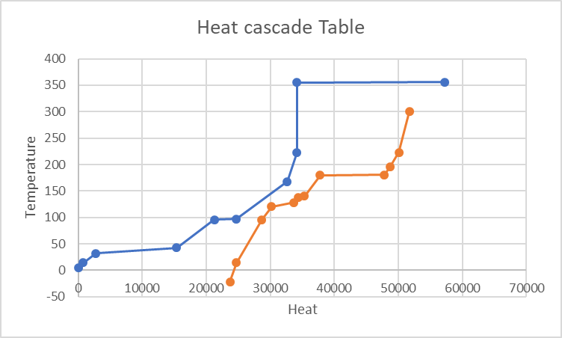
B10_heat | -22.0688384 | 223 | 24075142.429 | 6687.539564 | 27.28841254 | C6
 |  |  |  | 27994.09494

First Law Requirement | -15474.31563 | Heat to be added to cold

Building raw composite curve
Hot Streams |  |  |  |  |  |  |  | Cold Streams
Interval | Streams | T | SigmaQ |  |  |  |  | Interval | Streams | T | SigmaQ
4.81652804 |  |  | 0 |  |  |  |  | -22.0688384 |  |  | 15474.31563
14 | H2 | 4.81-14 | 770.6297472 |  |  |  |  | 14 | C6 | -22-14 | 16458.57697
32.1055694 | H2,H4 | 14-32.10 | 2792.446153 |  |  |  |  | 95.3507012 | C6,C2 | 14-95.35 | 20425.36695
42.77482005 | H2,H4,H3 | 32.10-42.77 | 15404.36955 |  |  |  |  | 120.0157771 | C6,C2,C1 | 95.35-120.015 | 21938.35514
95.3507012 | H2,H4 | 42.77-95.35 | 21275.42374 |  |  |  |  | 127.856863 | C6,C2,C1,C4 | 120.015-127.856 | 25428.80965
97.02716127 | H2,H4,H1 | 95.35-97.027 | 24728.14809 |  |  |  |  | 137.8074163 | C6,C2,C1 | 127.856-137.807 | 26039.18968
167.9078352 | H2,H4 | 97.027-167 | 32643.2656 |  |  |  |  | 139.898031 | C6,C2,C1,C5 | 137-139 | 27084.51408
223 | H4 | 167-223 | 34172.25746 |  |  |  |  | 179.8971572 | C6,C2,C1 | 139-179 | 29538.11308
355.5 | None | 223-355.5 | 34172.25746 |  |  |  |  | 180.3971572 | C6,C2,C1,C3 | 179-180 | 39553.89324
356 | H5 | 355.5-356 | 43468.41057 |  |  |  |  | 195 | C6,C2,C1 | 180-195 | 40449.65082
 |  |  |  |  |  |  |  | 223 | C2,C6 | 195-223 | 41814.97549
 |  |  |  |  |  |  |  | 300 | C2 | 223-300 | 43468.41057

Temperature Interval Method To Build Heat Cascade Table

Hot Streams | Subtracted Tmin=10 from both inlet and outlet |  |  |  |  |  |  | Cold Streams
Stream Name | Inlet T | Outlet T | Enthalpy (kj/hr) | Enthalpy (kw) | MCpi | Label |  | Stream Name | Inlet T | Outlet T | Enthalpy (kj/hr) | Enthalpy (kw) | MCpi | Label
To Condenser@B7_TO_S7Duplicate | 87.02716127 | 85.3507012 | 11755861.432 | 3265.517064 | 1947.864502 | H1 |  | S7_To_S8 | 95.3507012 | 195 | 4512816.8237 | 1253.560229 | 12.57971952 | C1
To Condenser@B13_TO_S16 | 157.9078352 | -5.18347196 | 49268822.089 | 13685.78391 | 83.91485819 | H2 |  | BOTTOM_To_S14 | 14 | 300 | 22108789.065 | 6141.330296 | 21.47318285 | C2
To Condenser@B6_TO_S9 | 32.77482005 | 22.1055694 | 41113826.451 | 11420.50735 | 1070.413258 | H3 |  | To Reboiler@B13_TO_S15 | 179.89715721 | 180.39715721 | 35946394.228 | 9985.109508 | 19970.21902 | C3
B11_heat | 213 | 4 | 20881616.894 | 5800.449137 | 27.75334515 | H4 |  | To Reboiler@B7_TO_S6 | 120.01577712 | 127.856863 | 10834099.178 | 3009.471994 | 383.8080642 | C4
B5_heat | 346 | 345.5 | 33466151.2 | 9296.153111 | 18592.30622 | H5 |  | To Reboiler@B6_TO_S5 | 137.80741635 | 139.898031 | 3301500.0653 | 917.0833515 | 438.6668531 | C5
 |  |  |  | 43468.41057 |  |  |  | B10_heat | -22.0688384 | 223 | 24075142.429 | 6687.539564 | 27.28841254 | C6
 |  |  |  |  |  |  |  |  |  |  |  | 27994.09494

Hot Streams |  |  |  |  |  |  |  | Cold Streams
Interval | Streams | T | SigmaQ |  |  |  |  | Interval | Streams | T | SigmaQ
-5.18347196 |  |  | 0 |  |  |  |  | -22.0688384 |  |  | 15474.315632
4 | H2 | -5.18 - 4 | 770.62974719 |  |  |  |  | 14 | C6 | -22-14 | 16458.576974
22.1055694 | H2,H4 | 4-22.10 | 2792.4461526 |  |  |  |  | 95.3507012 | C6,C2 | 14-95.35 | 20425.366951
32.77482005 | H2,H4,H3 | 22.10-32.77 | 15404.369551 |  |  |  |  | 120.01577712 | C6,C2,C1 | 95.35-120.015 | 21938.35514
85.3507012 | H2,H4 | 32.77-85.350 | 21275.423738 |  |  |  |  | 127.856863 | C6,C2,C1,C4 | 120.015-127.856 | 25428.809653
87.02716127 | H2,H4,H1 | 85.350-87.027 | 24728.148087 |  |  |  |  | 137.80741635 | C6,C2,C1 | 127.856-137.807 | 26039.189679
157.9078352 | H2,H4 | 87.027-157.90 | 32643.265598 |  |  |  |  | 139.898031 | C6,C2,C1,C5 | 137-139 | 27084.514082
213 | H4 | 157.90-213 | 34172.257463 |  |  |  |  | 179.89715721 | C6,C2,C1 | 139-179 | 29538.11308
345.5 | None | 213-345.5 | 34172.257463 |  |  |  |  | 180.39715721 | C6,C2,C1,C3 | 179-180 | 39553.893245
346 | H5 | 345.50-346 | 43468.410574 |  |  |  |  | 195 | C6,C2,C1 | 180-195 | 40449.650823
 |  |  |  |  |  |  |  | 223 | C2,C6 | 195-223 | 41814.975494
 |  |  |  |  |  |  |  | 300 | C2 | 223-300 | 43468.410574 | 1653.43508

Overall Temp Intervals
Interval | Streams | T range | Hot-Cold heat capacity | Q | Sigma Q | Sigma Q
346.00 |  |  | 0.00 | 0.00 | 0.00 | 4454.01
345.50 | H5 | 345.5-346 | 18592.31 | 9296.153111 | 9296.15 | 13750.16
300.00 | None | 300-345.5 | 0.00 | 0 | 9296.15 | 13750.16
223.00 | C2 | 223-300 | -21.47 | -1653.43508 | 7642.72 | 12096.72
213.00 | C2,C6 | 213-223 | -48.76 | -487.615954 | 7155.10 | 11609.11
195.00 | H4,C2,C6 | 195-213 | -21.01 | -378.1485044 | 6776.95 | 11230.96
180.40 | C1,C2,H4,C6 | 180.397-195 | -33.59 | -490.4798419 | 6286.47 | 10740.48
179.90 | C3,C1,C2,C6,H4 | 179.897-180.397 | -20003.81 | -10001.90349 | -3715.43 | 738.58
157.91 | C1,C2,H4,C6 | 157.90-179.89 | -33.59 | -738.5766821 | -4454.01 | 0.00 | PINCH POINT
139.90 | C1,C2,C6,H2,H4 | 139.89-157.90 | 50.33 | 906.3774076 | -3547.63 | 906.38
137.81 | C1,C2,C5,C6,H2,H4 | 137.80-139.89 | -388.34 | -811.869221 | -538.16 | 3915.85
127.86 | C1,C2,C6,H4,H2 | 127.85-137.80 | 50.33 | 500.780388 | -37.38 | 4416.63
120.02 | C1,C2,C4,C6,H2,H4 | 120.015-127.856 | -333.48 | -2614.854539 | -2652.23 | 1801.78
95.35 | C1,C2,C6,H4,H2 | 95.350-120.015 | 50.33 | 1241.316524 | -1410.91 | 3043.09
87.03 | C2,C6,H2,H4 | 87.027-95.350 | 62.91 | 523.6056629 | -887.31 | 3566.70
85.35 | C2,C6,H1,H2,H4 | 85.350-87.027 | 2010.77 | 3370.977481 | 2483.67 | 6937.67
32.77 | C2,C6,H2,H4 | 32.7748-85.350 | 62.91 | 3307.370343 | 5791.04 | 10245.05
22.11 | C2,C6,H4,H2,H3 | 22.10-32.7748 | 1133.32 | 12091.67372 | 17882.71 | 22336.72
14.00 | C2,C6,H4,H2 | 14-22.10 | 62.91 | 509.8938764 | 18392.61 | 22846.61
4.00 | C6,H4,H2 | 2022-04-14 | 84.38 | 843.797908 | 19236.40 | 23690.41
-5.18 | C6,H2 | -5.18-4 | 56.63 | 520.0273758 | 19756.43 | 24210.44
-22.07 | C6 | -22.06 - -5 | -27.29 | -460.7748454 | 19295.66 | 23749.66

Building composite curve
Hot Streams |  |  |  |  |  |  |  | Cold Streams
Interval | Streams | T | SigmaQ | Updated Sigma Q |  |  |  | Interval | Streams | T | SigmaQ
4.81652804 |  |  | 0 | 0 |  |  |  | -22.0688384 |  |  | 23749.66
14 | H2 | 4.81-14 | 770.62974719 | 770.6297472 |  |  |  | 14 | C6 | -22-14 | 24733.92
32.1055694 | H2,H4 | 14-32.10 | 2792.4461526 | 2792.446153 |  |  |  | 95.3507012 | C6,C2 | 14-95.35 | 28700.71
42.774820051 | H2,H4,H3 | 32.10-42.77 | 15404.369551 | 15404.36955 |  |  |  | 120.01577712 | C6,C2,C1 | 95.35-120.015 | 30213.70
95.3507012 | H2,H4 | 42.77-95.35 | 21275.423738 | 21275.42374 |  |  |  | 127.856863 | C6,C2,C1,C4 | 120.015-127.856 | 33704.16
97.027161272 | H2,H4,H1 | 95.35-97.027 | 24728.148087 | 24728.14809 |  |  |  | 137.80741635 | C6,C2,C1 | 127.856-137.807 | 34314.54
167.90783522 | H2,H4 | 97.027-167 | 32643.265598 | 32643.2656 |  |  |  | 139.898031 | C6,C2,C1,C5 | 137-139 | 35359.86
223 | H4 | 167-223 | 34172.257463 | 34172.25746 |  |  |  | 179.89715721 | C6,C2,C1 | 139-179 | 37813.46
355.5 | None | 223-355.5 | 34172.257463 | 34172.25746 |  |  |  | 180.39715721 | C6,C2,C1,C3 | 179-180 | 47829.24
356 | H5 | 355.5-356 | 43468.410574 | 57218.57 |  |  |  | 195 | C6,C2,C1 | 180-195 | 48725.00
 |  |  |  |  |  |  |  | 223 | C2,C6 | 195-223 | 50090.32
 | H4 | 1326.75 |  |  |  |  |  | 300 | C2 | 223-300 | 51743.76
 |  | -3829.5
 |  | 842.86
 |  | 13259.36

